Yasmeen
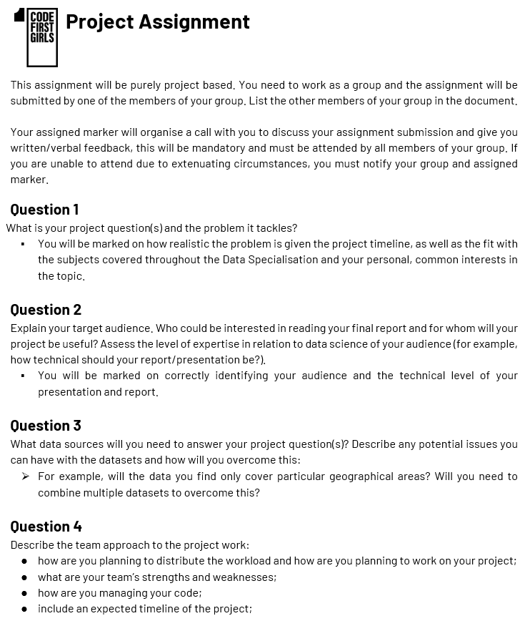
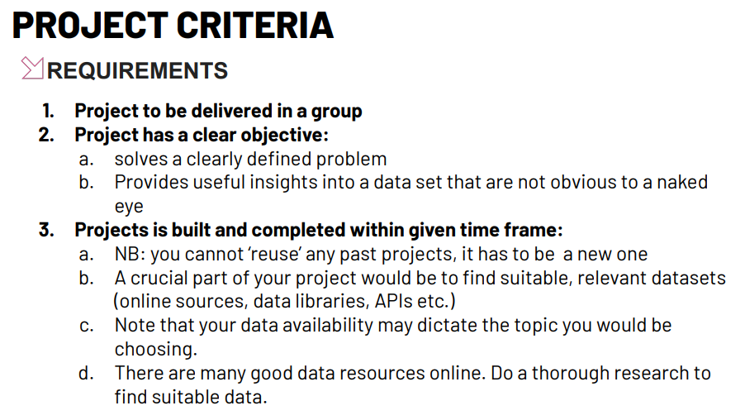
Name | Yasmeen Nazzal | Project Group (Number) | 3

Week | Date | Activity/Task | Time Spent (minutes) | Other members involved (if applicable) | Completed (y/n) | Notes
1 | 28/07/2024 | Research idea | 120 |  | Y | Idea shared with team in Slack channel 28/07/2024
1 | 28/07/2024 | Team meeting | 90 | Everyone | Y
2 | HOLIDAY
3 | 12/08/2024 | EDA Meeting | 135 | Wendy | Y
3 | 13/08/2024 | EDA & Viz | 300 |  | Y
3 | 14/08/2024 | EDA & Viz | 300 |  | Y
3 | 15/08/2024 | EDA Meeting | 90 | Wendy | Y
3 | 15/08/2024 | EDA & Viz | 300
3 | 15/08/2024 | Team Meeting | 40 | Wendy / Eva | Y

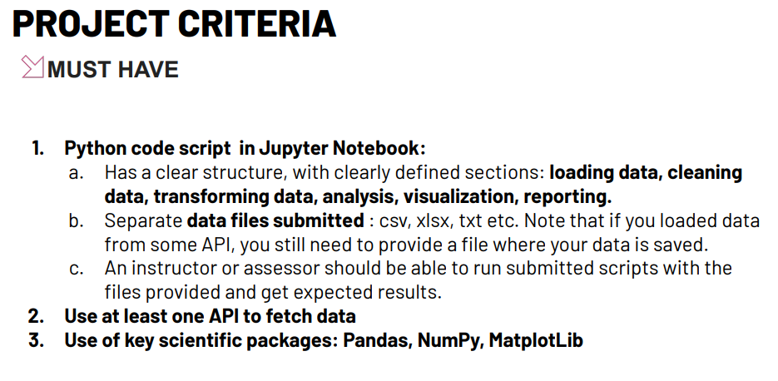
Links |  |  | SWOT Analysis
Google drive contains all docs we want to collaborate on: |  |  | Strengths
https://drive.google.com/drive/u/0/folders/15m42KSadUWLinzhz09H_wk92N-xmS80b |  |  | 1. I studied some Machine Learning at university so I feel I could lead on this aspect of our project!
 |  |  | 2. I have multiple years of Tableau data viz work experience if we ever need any dashboards created.
This is the GitHub which so far just has CFG docs in: |  |  | 3. I have decent presentation skills
https://github.com/Bronte-Mckeown/ds-2-group-3 |  |  | 4. I'm not too bad at coding but still a beginner.
 |  |  | Weaknesses
This is the Jira timeline: |  |  | 1. Report writing is no my best area unfortunately!!
https://ds-2-group-3.atlassian.net/jira/software/projects/GP/boards/2/timeline |  |  | 2. API handling and SQL skills could be stronger.
 |  |  | Opportunities
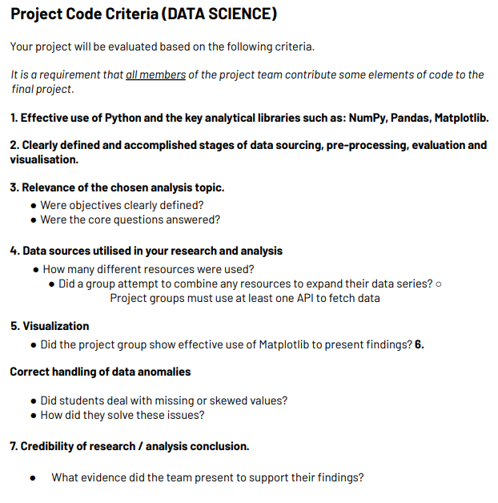
This is the Jira board (for small to-dos): |  |  | 1. Improve coding skills (SQL and Python)
https://ds-2-group-3.atlassian.net/jira/software/projects/GP/boards/2 |  |  | 2. Definitely API practice too
 |  |  | Threats
This is the link for calendars: |  |  | 1. Out on holiday 2nd week of the project
https://ds-2-group-3.atlassian.net/wiki/spaces/THFMV/calendars |  |  | 2. Working full time and travelling around
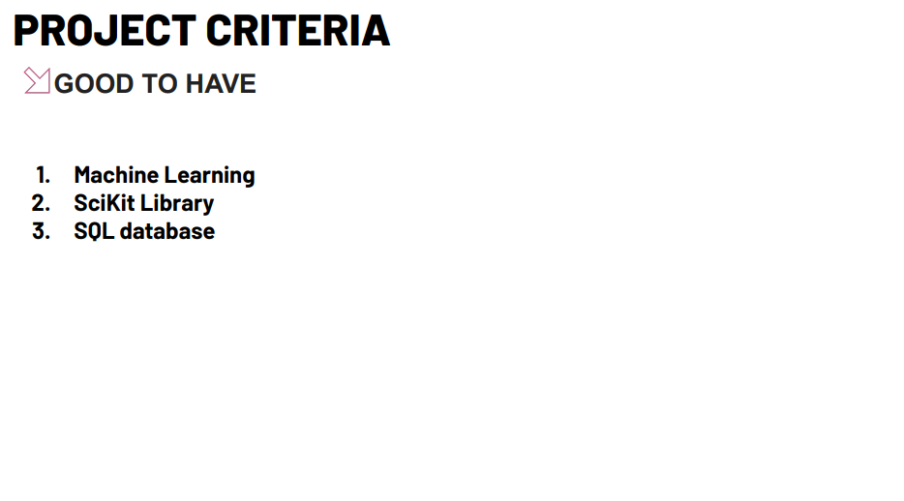

Project Idea
Project: | Predicting the likelihood of diabetes
Dataset: | https://www.kaggle.com/datasets/iammustafatz/diabetes-prediction-dataset
Columns: | Gender, Age, Hypertension, Heart Disease, Smoking History, BMI, HbA1c, Blood Glucose Levels, Diabetes flag
Question 1 - What is your project question(s) and the problem it tackles? |  |  |  |  |  | ▪ You will be marked on how realistic the problem is given the project timeline, as well as the fit with the subjects covered throughout the Data Specialisation and your personal, common interests in the topic.
Can we predict the likelihood of diabetes in individuals based on demographic and health-related features using machine learning models?
Diabetes is a chronic disease, which if not managed properly, can lead to serious health complications. Machine learning models can help make early predictions,
which can lead to timely intervention, better management and improved health outcomes for patient. The project aims to use the "Diabeted Prediction Dataset" to identify
individuals at risk of developing diabetes from various demographic and health markers.

Question 2 - Explain your target audience. Who could be interested in reading your final report and for whom will your project be useful? Assess the level of expertise in relation to data science of your audience (for example, how technical should your report/presentation be?). |  |  |  |  |  | ▪ You will be marked on correctly identifying your audience and the technical level of your presentation and report.
Patients or individuals who are interested in understanding their health risks and advocating for preventive care.
Doctors and nurses who can use predictive insights to identify patients at risk of diabetes early.
The presentation can be moderately technical but not overly complicated. It should be informative and insightful to both patients and healthcare providers.

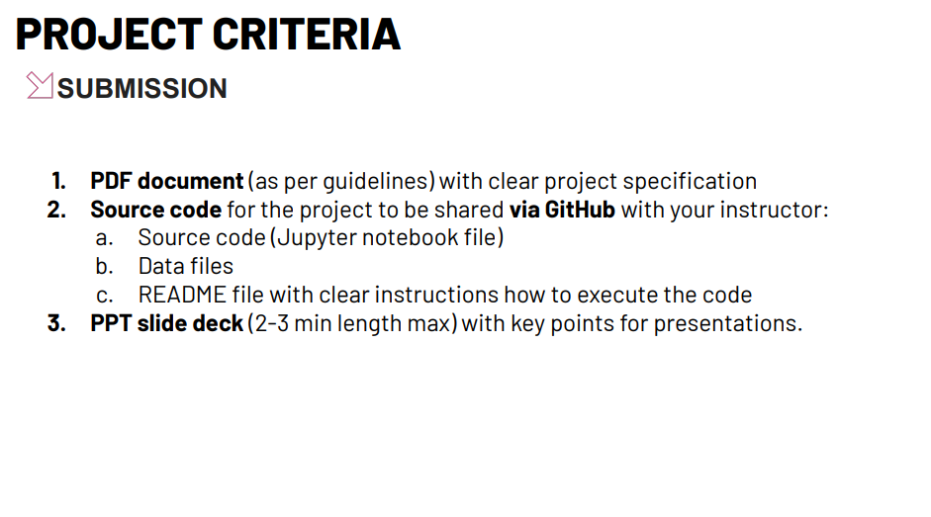
Question 3 - What data sources will you need to answer your project question(s)? |  |  |  |  |  | Describe any potential issues you can have with the datasets and how will you overcome this: For example, will the data you find only cover particular geographical areas? Will you need to combine multiple datasets to overcome this?
The dataset might be biased towards certain populations or regions.
Missing or inaccurate data can affect model performance. We can address this with data cleaning techniques such as missing-value handling etc.

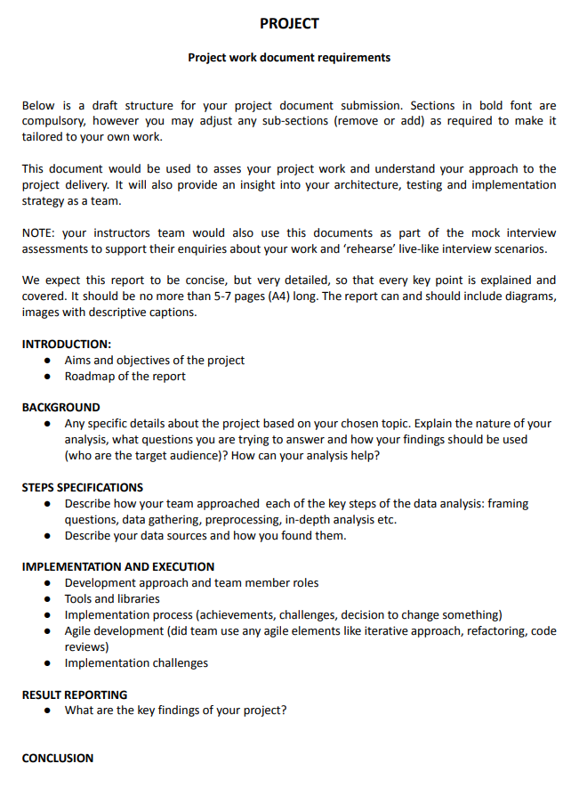
Insights & Findings
Data Cleaning & Preprocessing
1. Convert data types if needed.
2. Identify missing values and how to deal with them.
3. Normalise and scale data (data standardization)

Exploratory Data Analysis
1. Descriptive Statistics - Understand the central tendency of each feature/variable in our dataset through the mean and median.
2. Distribution Analysis - Visualise the distribution of variables to identify skewness and potential outliers through histograms for example.
3. Correlation Analysis - To identify correlations between features/variables.

Model Building
1. Use scikit-learn library to split data into a training set and testing set.
2. Algorithm Testing - compare different machine learning algorithms such as logistic regression, decision trees, random forest etc.
3. Use performance metrics to evaluate the different machine learning models to determine which model works best for predicting diabetes.

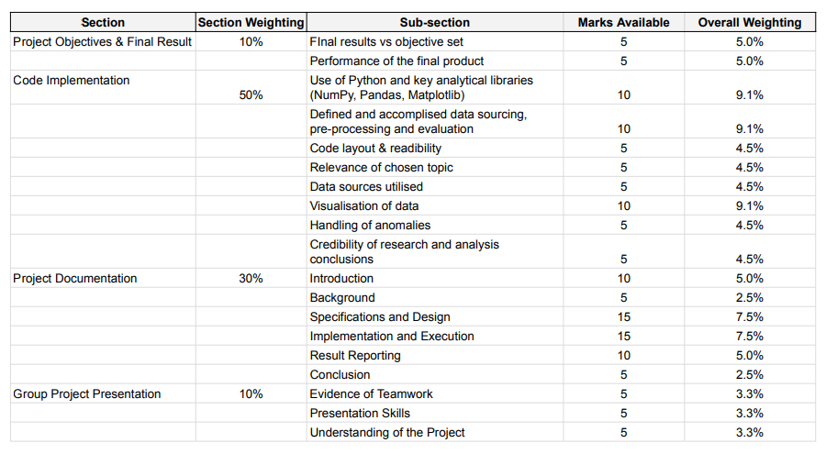
Reporting & Visualisation
1. Visualise analysis charts using matplotlib/seaborn.
2. Possible to visualise a dashboard using Tableau or PowerBI.
3. Documentation of outcomes while tailoring the report to our target audience (ensure accessibility for non-technical audience).

